Form A -Intl
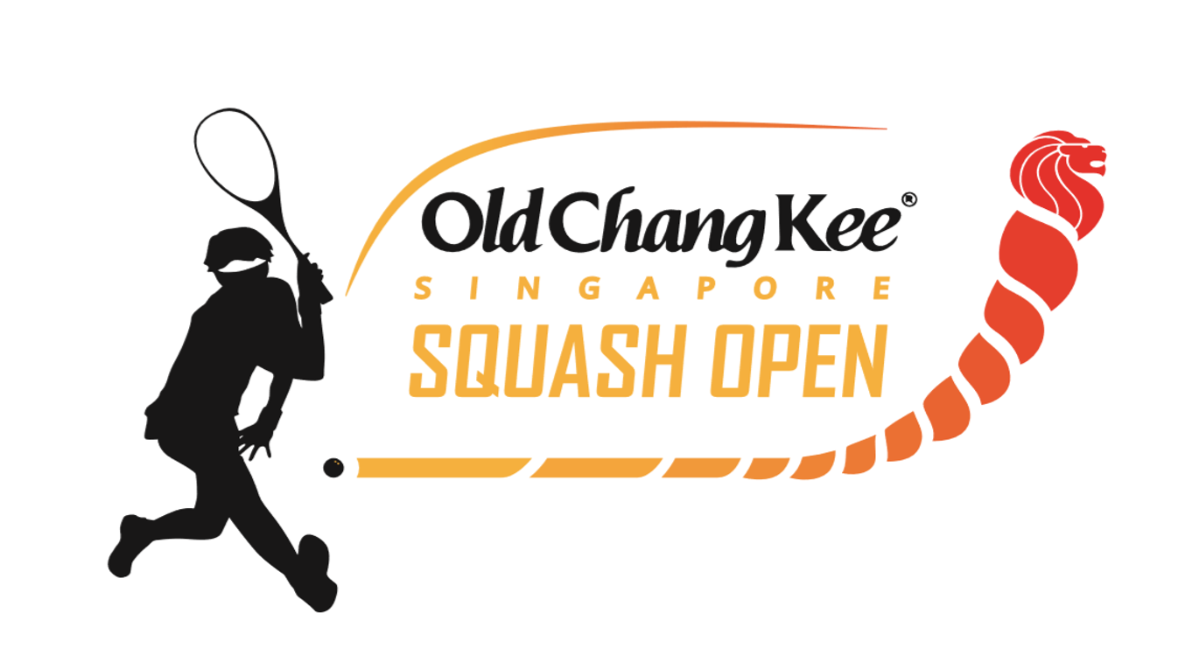
OLD CHANG KEE SINGAPORE SQUASH OPEN 2016
30 TO 4 DECEMBER 2016
INTERNATIONAL ENTRY FORM

S/N | FIRST NAME |  | SURNAME | D.O.B (DD/MM/YYYY) | EVENT | NATIONALITY |  | SPIN NUMBER | NATIONAL RANKING | AJSS RANKING | AJSS ID NUMBER | LATEST BEST RESULTS
1 | e.g. Thomas |  | Tan | 2004-03-05 | BU 13
2
3
4
5
6
7
8
9
10
11
12
13
14
15

Entry Fees
Foreign Entries without Package |  |  |  |  | x SGD100 | = | 0

Accommodation Packages |  |  |  |  | Rate/Person |  | Total
Package 1. Days Hotel 3* |  | Single |  |  | x SGD 1160 | = | 0
 |  | Twin Sharing |  |  | x SGD 580 | = | 0
 |  | Triple Sharing
Package 2. Ramada Hotel 4* |  | Single |  |  | x SGD 1400 | = | 0
 |  | Twin Sharing |  |  | x SGD 700 | = | 0
 |  | Triple Sharing |  |  | x SGD 610 | = | 0
 |  |  |  |  | Grand Total | = | 0

Endorsement by National Association: (Junior Players only)

Name: |  |  |  |  | Position:

Contact No. |  |  |  |  | Email Add:

Signature: |  |  |  |  | Date:

Kindly email copy to benson@sgsquash.com. Do insist for an acknowledgement for your submission.

